Chart 1
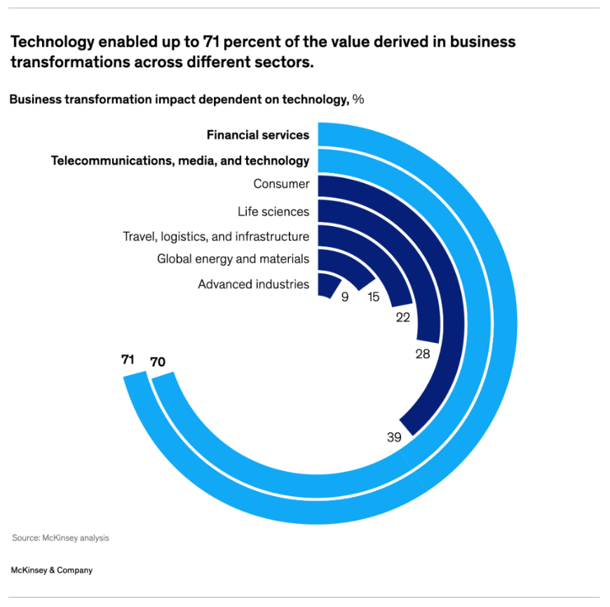
Financial Services
Telecommunications, media, and technology
Consumer
Life sciences
Travel, logistics, and infrastructure
Global energy and materials
Advanced industries
71
70
39
28
22
15
9
Sector | Transformation | Helper
Advanced industries | 9 | 91
Global energy and materials | 15 | 85
Travel, logistics, and infrastructure | 22 | 78
Life sciences | 28 | 72
Consumer | 39 | 61
Telecommunications, media, and technology | 70 | 30
Financial Services | 71 | 29

Chart 2
2018
2019
2020
2021
2023
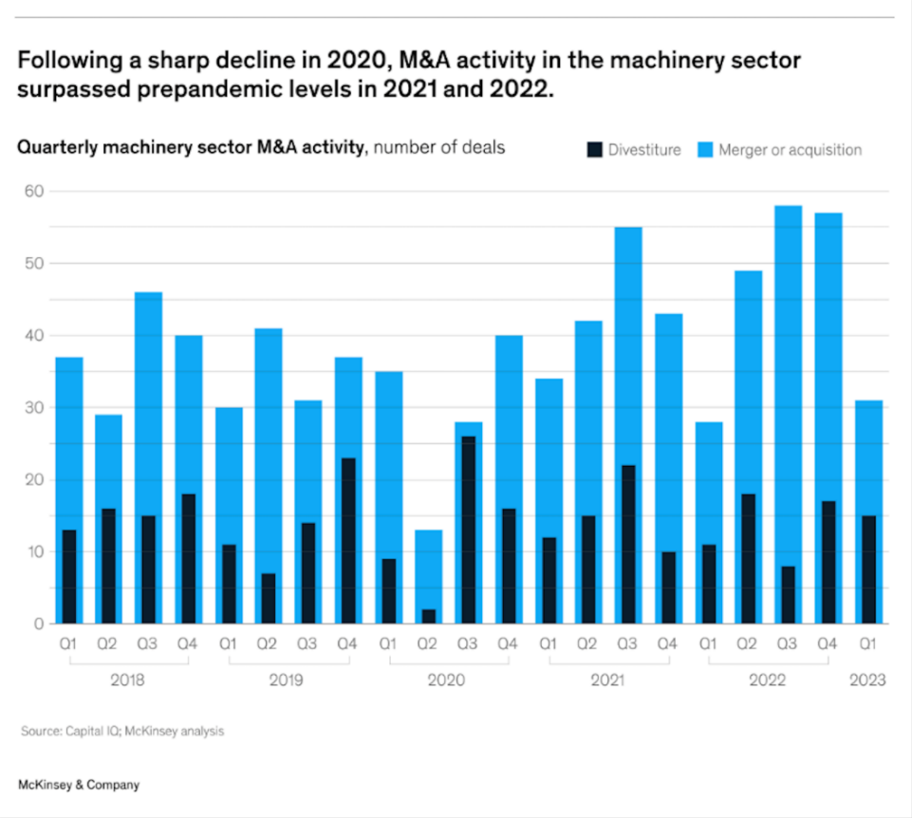
Year | Quarter | Divestiture | Merger or Acquisition
2018 | Q1 | 13 | 36
 | Q2 | 16 | 29
 | Q3 | 15 | 46
 | Q4 | 18 | 40
2019 | Q1 | 11 | 30
 | Q2 | 6 | 41
 | Q3 | 14 | 31
 | Q4 | 23 | 37
2020 | Q1 | 9 | 35
 | Q2 | 2 | 13
 | Q3 | 26 | 27
 | Q4 | 16 | 40
2021 | Q1 | 12 | 34
 | Q2 | 15 | 42
 | Q3 | 21 | 55
 | Q4 | 10 | 43
2022 | Q1 | 11 | 27
 | Q2 | 18 | 49
 | Q3 | 8 | 58
 | Q4 | 16 | 57
2023 | Q1 | 15 | 31

Chart 3
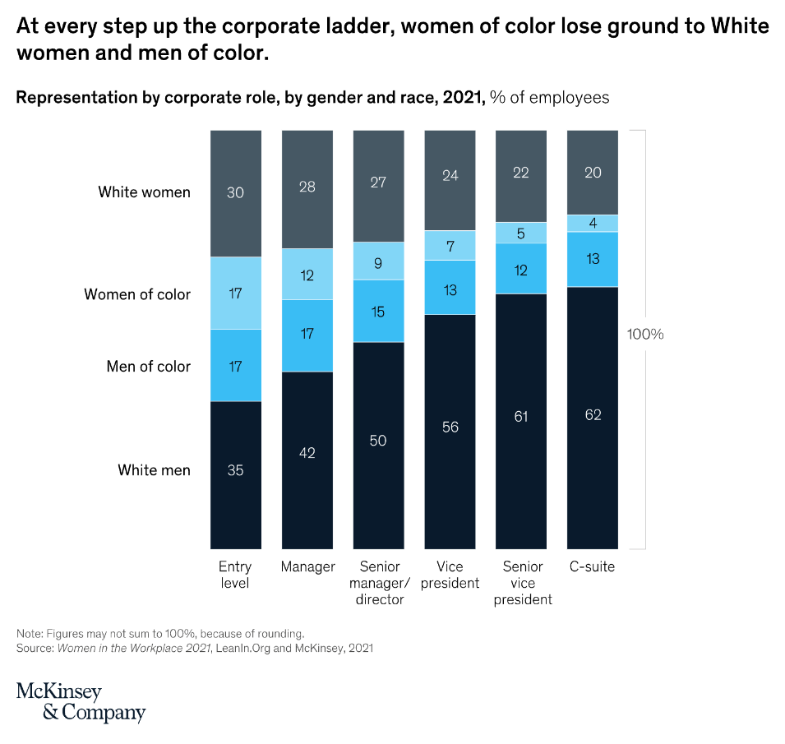
 | Entry level | Manager | Senior manager /director | Vice president | Senior vice president | C-suite
White Women | 30 | 28 | 27 | 24 | 22 | 20
Women of color | 17 | 12 | 9 | 7 | 5 | 4
Men of color | 17 | 17 | 15 | 13 | 12 | 13
White men | 35 | 42 | 50 | 56 | 61 | 62

100%

